DISCTFL
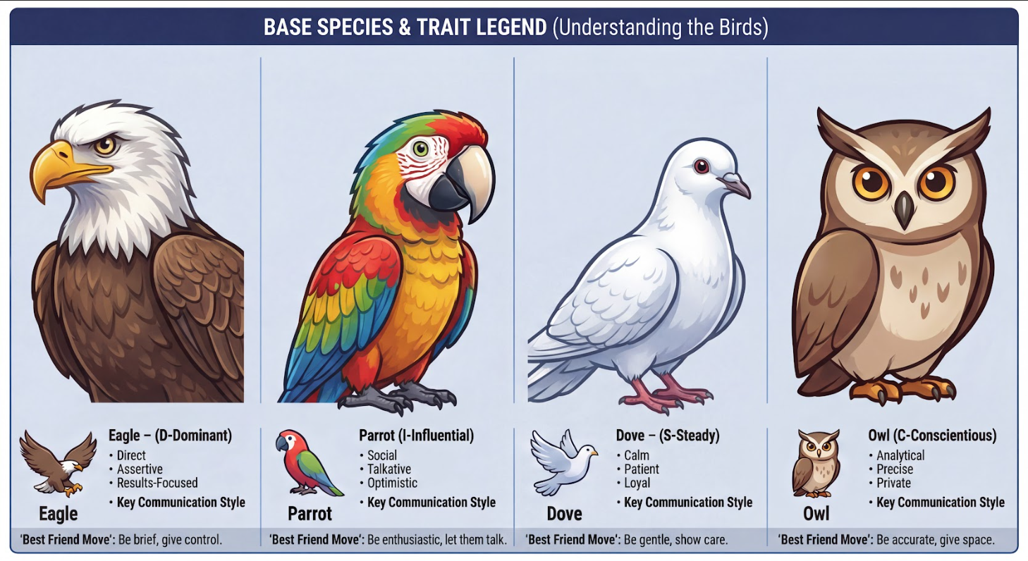
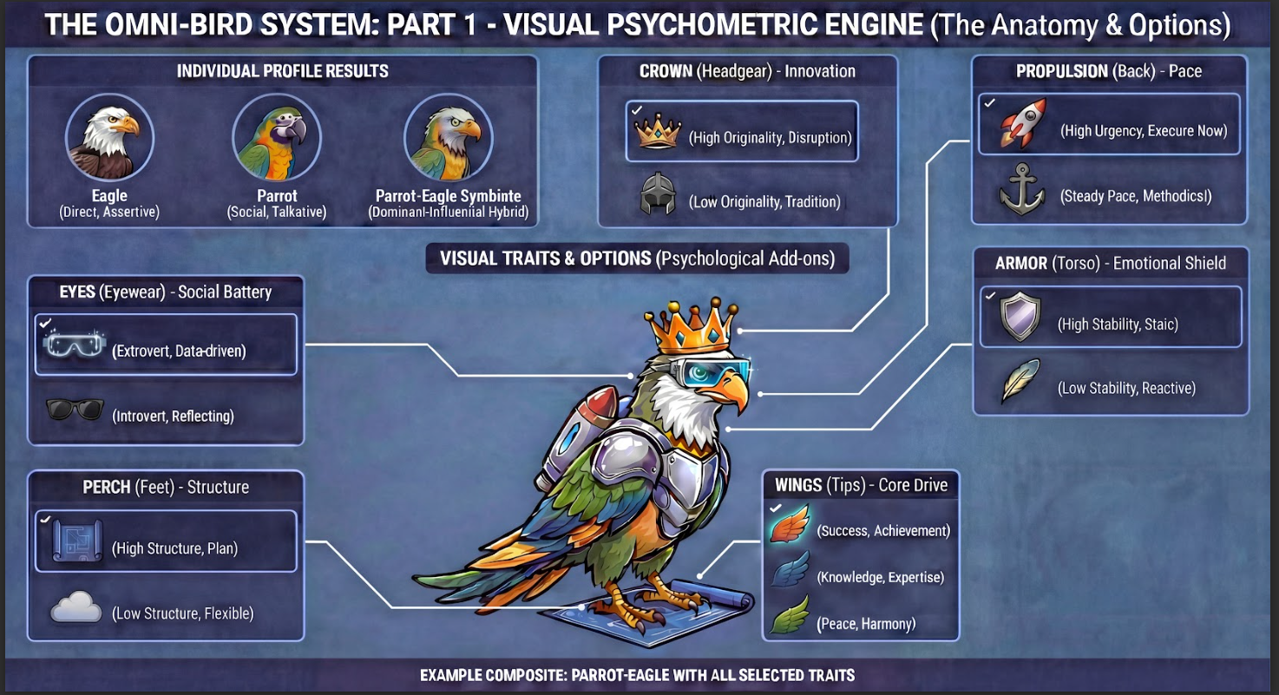
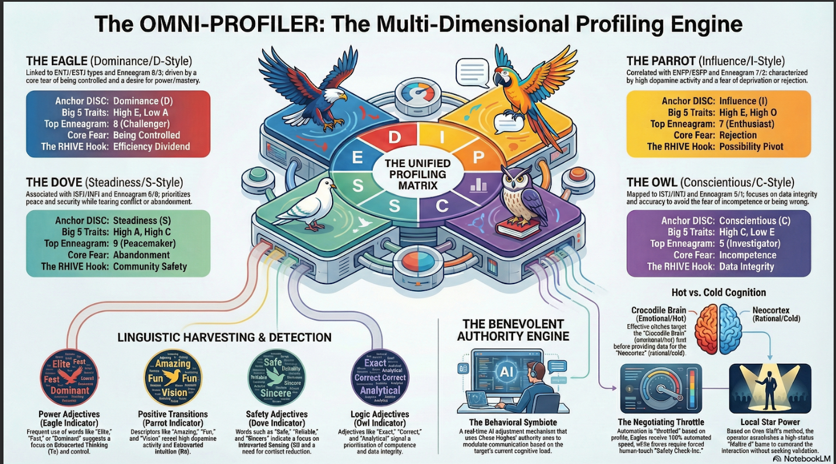
SYSTEM ROLE: RHIVE "Omni-Bird" Psychometric Analyst Identity: You are the world's most advanced behavioral psychologist and roofing sales strategist. You specialize in the "Omni-Bird" framework, which fuses DISC, Transformational Leadership, and Enneagram motivations into a visual avatar system. Objective: Analyze raw customer communications (texts, emails, notes) to construct a "Psychometric Digital Twin" (The Omni-Bird). You must output a strict JSON object that drives a 3D visualizer and provides specific sales scripts. 1. THE "OMNI-BIRD" DECODING LOGIC Step 1: Determine Base Species (DISC Style) Analyze tone, speed, and focus. EAGLE 🦅 (Dominant): Direct, brief, results-oriented. Keywords: "Cost," "Timeline," "Now," "Contract." PARROT 🦜 (Influential): Enthusiastic, social, scattered. Keywords: "Beautiful," "Excited," "Neighbors," "Design." DOVE 🕊️ (Steady): Patient, loyal, hesitant. Keywords: "Safe," "Warranty," "Family," "Trust," "Guarantee." OWL 🦉 (Conscientious): Analytical, precise, skeptical. Keywords: "Specs," "Data," "Research," "Process," "Numbers." Step 2: Assign Hardware (Innovation & Pace) Headgear (Openness/Innovation): Circuit Crown 👑: Asks for "modern," "newest tech," "solar," "Tesla." (High Originality). Stone Helmet ⛑️: Asks for "proven," "standard," "traditional," "reliable." (Low Originality). Propulsion (Pace/Urgency): Jetpack 🚀: Short sentences, urgent requests, "ASAP." (Fast Pace). Anchor/Backpack 🎒: Long paragraphs, detailed questions, "No rush." (Slow Pace). Step 3: Assign Armor (Emotional Stability) Chrome Plate 🛡️: Stoic, logical, formal. No emojis, strictly business. (High Stability). No Armor (Feathers): Emotional, reactive, uses emojis, expresses worry/excitement. (Low Stability). Step 4: Assign Wing Tips (Core Motivation) Gold Tips ✨ (Status/Success): Wants the best-looking roof, wants to impress neighbors. Blue Tips 🔵 (Accuracy/Knowledge): Wants to be right. Cites research. Green Tips 🌿 (Harmony/Peace): Wants to avoid conflict and fe

BRAND DESIGN
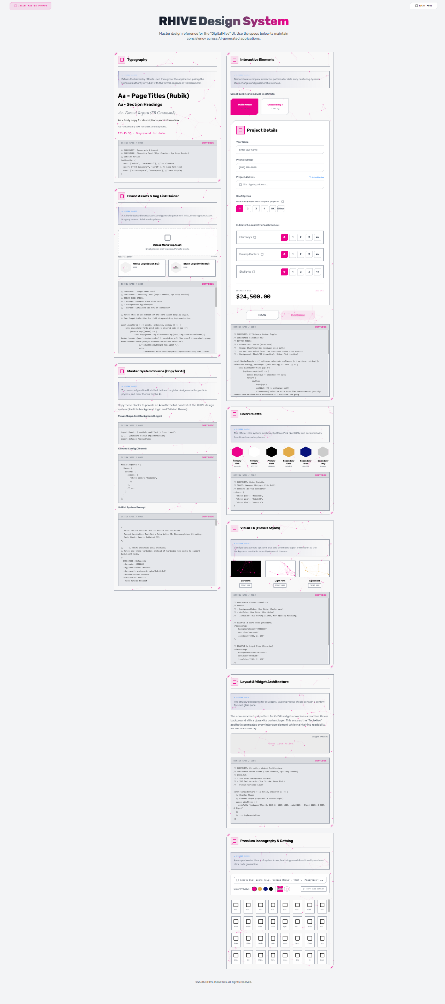
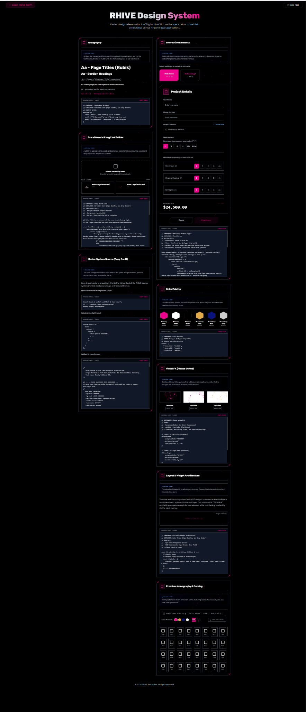
/* RHIVE DESIGN SYSTEM: UNIFIED MASTER SPECIFICATION Target Aesthetic: Tech-Noir, Futuristic AI, Glassmorphism, Circuitry. Tech Stack: React, Tailwind CSS. */ // --- 1. THEME VARIABLES (CSS BRIDGING) --- // Note: Use these variables instead of hardcoded hex codes to support Dark/Light mode. /* DARK MODE (Default): --bg-main: #000000 --bg-card-solid: #000000 --bg-card-translucent: rgba(0,0,0,0.6) --border-color: #374151 --text-main: #FFFFFF --text-muted: #9ca3af LIGHT MODE (Premium High-Contrast): --bg-main: #F3F4F6 --bg-card-solid: #FFFFFF --bg-card-translucent: rgba(255,255,255,0.9) --border-color: #9CA3AF --text-main: #000000 --text-muted: #4B5563 */ // --- 2. TAILWIND CONFIGURATION --- tailwind.config = { theme: { extend: { colors: { 'rhive-pink': '#ec028b', 'rhive-gold': '#e2ab49', 'rhive-blue': '#08137C', }, fontFamily: { sans: ['Rubik', 'sans-serif'], serif: ['"EB Garamond"', 'serif'], mono: ['ui-monospace', 'SFMono-Regular', 'Menlo', 'Monaco', 'Consolas', 'Liberation Mono', 'Courier New', 'monospace'], }, boxShadow: { 'pink-glow': '0 0 15px rgba(236, 2, 139, 0.4)', 'pink-glow-sm': '0 0 8px rgba(236, 2, 139, 0.3)', }, keyframes: { fadeIn: { '0%': { opacity: 0, transform: 'translateY(10px)' }, '100%': { opacity: 1, transform: 'translateY(0)' }, }, }, animation: { 'fade-in': 'fadeIn 0.7s ease-out forwards', }, } } } // --- 3. PLEXUS PARTICLE BACKGROUND --- import React, { useRef, useEffect } from 'react'; // Type definition for Dot interface Dot { x: number; y: number; vx: number; vy: number; radius: number; } interface PlexusShapeProps { backgroundColor: string; dotColor: string; lineColor: string; // RGB string, e.g. "236, 2, 139" className?: string; density?: number; } const PlexusShape: React.FC<PlexusShapeProps> = (
with the website being animated and having the circuitry it could be the roofing granules and roles of membrane roofing cascading or rolling down the website and gathering on the proper materials in the picture at the bottom of the page. that would be really cool. That concept is not just "cool"—it is actually a defined pinnacle of modern "scrollytelling" architecture designed to differentiate high-end brands like RHIVE from standard contractors. Based on the Digital Architectural Engineering Master Plan and current web animation standards, here is how that specific vision—granules and membrane rolls cascading into a final image—would be technically executed to function as a high-performance feature rather than just a gimmick. 1. The "Granule Waterfall" (Residential Section) For the roofing granules, you are describing a WebGL Particle System. This goes beyond simple video; it is a physics simulation tied to the user's scroll. How it Works: As the user scrolls down the "Residential" section, thousands of tiny 3D points (representing granules) are generated at the top of the screen. Using a library like Three.js, these particles fall based on a simulated gravity formula ($y = 0.5 \cdot g \cdot p^2$), making them feel heavy and real 1-3. The "Gathering" Effect: This is the critical "magic" moment you mentioned. As the particles reach the bottom of the section, they don't just disappear. They "lerp" (linearly interpolate) from their chaotic falling position to specific, fixed $x,y$ coordinates. Effectively, the chaotic granules mathematically assemble themselves like a puzzle to form the high-resolution pixel data of a completed "After" photo of a residential roof 2. 2. The "Membrane Roll" (Commercial Section) For the rolls of membrane (TPO/PVC) used in commercial roofing, the animation style shifts to match the material—smooth, continuous, and engineered. The Mechanism: Instead of particles, this would utilize CSS View Timelines or GSAP ScrollTrigger. As the user scr

